2
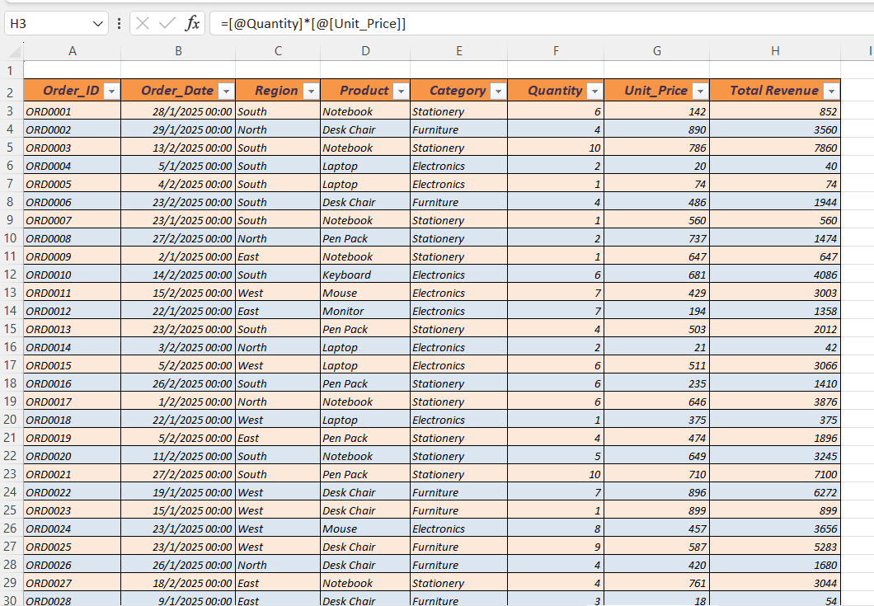
2. Calculate Total Revenue using formula: Quantity * Unit Price.

4
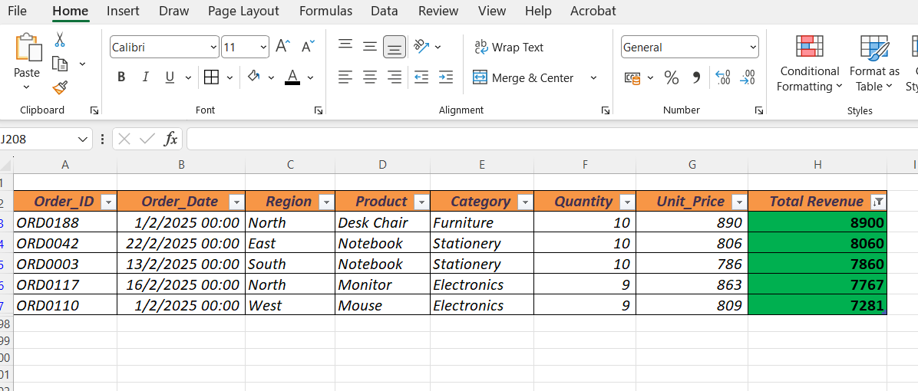
4. Identify the Top 5 performing products by Revenue.

Top 5 performing products by Revenue is done by using Conditional Formatting and then Sorting

5
5. Create a chart to visualize Revenue by Region.
 | Total
East | 116463
North | 104808
South | 108472
West | 117043

